Assignment
 | Struts 2 Welome Application
 | 1. Class WelcomeAction.java
 | Properties : name
 | Method execute
 | Display a jsp page with a welcome message with name

 | 2. Create a JSP page with the url to call the above action.
 | Use this page as the default page for your application. (ex:- index.jsp) i.e welcome file page in web.xml

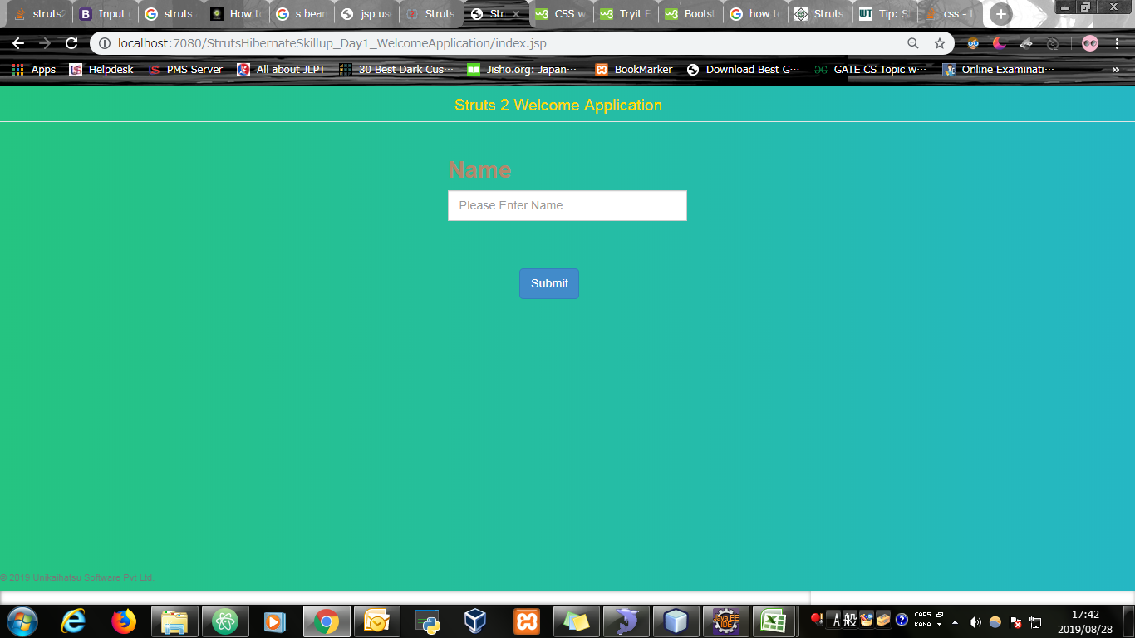
Input Screen

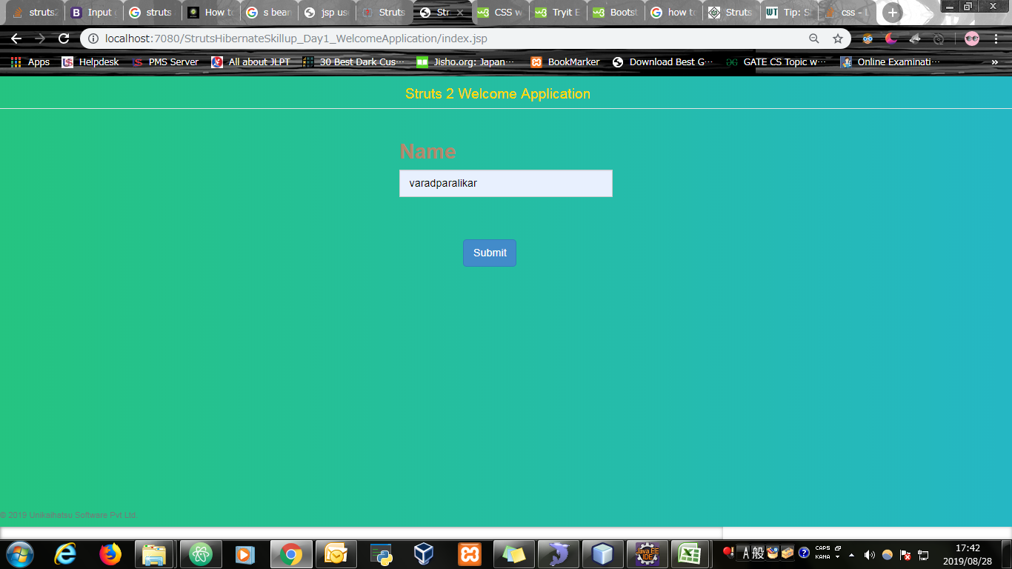
Input Screen with value entered

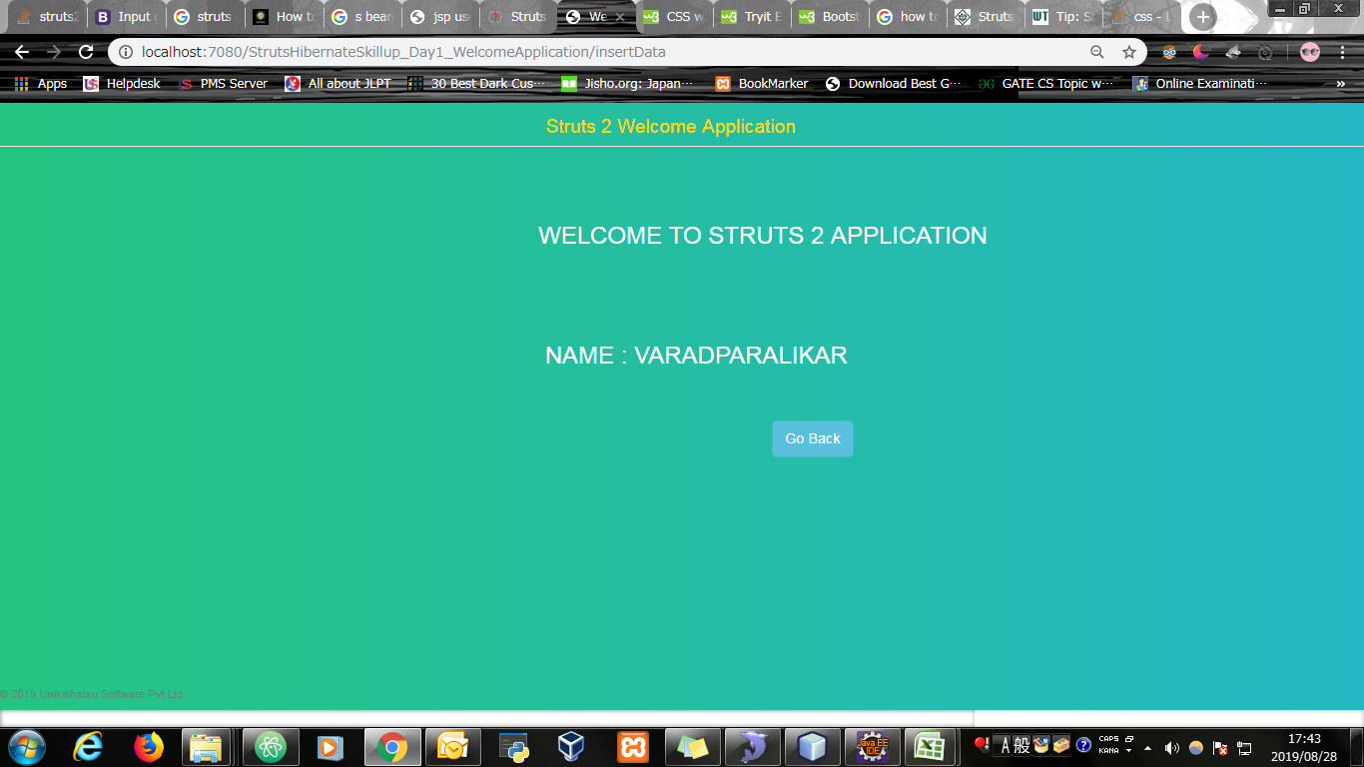
Output Screen

Evidence
Screen shoot 1: | Page Load

Screen shoot 2: | Error Message

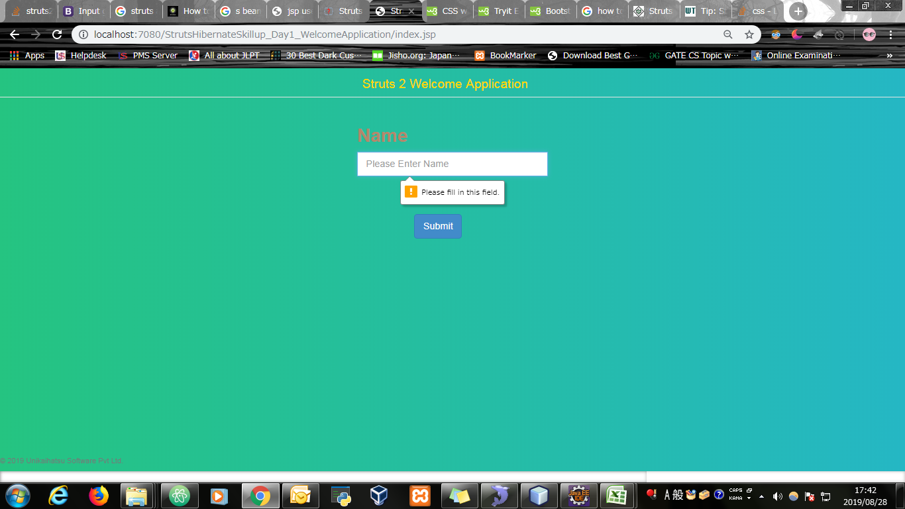

Screen shoot 3: | Input Data in input box

Screen shoot 3: | Output welcome page

